20
NEWFAB CONSTRUCTION DAILY REPORT

PROJECT NAME: HQ Campus
 | Contract NO: | ---------------------- |  |  |  |  |  |  | Report No: |  | 20
 | Client: | Diriya Company |  |  |  |  |  |  | Date: |  | 26-Jul-25

WORKS PERFORMANCE

SN | Location |  | Activity |  |  | Actual Qty Done | Current Resources |  |  |  | Remarks
 | Building | Floor |  |  |  |  | Trade | Qty | Hrs. | Total Hrs.
1 | store area |  | - Fixing of Ceiling and Shelf inside the Container |  |  |  | Carpenters |  | 8 | 0
2 |  |  | - Sorting of Materials inside the Container |  |  |  | Carpenters | 3 | 8 | 24
3 |  |  |  |  |  |  |  |  | 8 | 0
4 |  |  | monitoring earthwork& blinding |  |  |  | Carpenters | 3 | 8 | 24
5 |  |  |  |  |  |  |  |  | 8 | 0
6 |  |  |  |  |  |  |  |  | 8 | 0
7 |  |  |  |  |  |  |  |  | 8 | 0
8 |  |  |  |  |  |  |  |  | 8 | 0
9 |  |  |  |  |  |  |  |  | 8 | 0
10 |  |  |  |  |  |  |  |  | 8 | 0
11 |  |  |  |  |  |  |  |  | 8 | 0
12 |  |  |  |  |  |  |  |  | 8 | 0
13 |  |  |  |  |  |  |  |  | 8 | 0
14 |  |  |  |  |  |  |  |  | 8 | 0
15 |  |  |  |  |  |  |  |  | 8 | 0
16 |  |  |  |  |  |  |  |  | 8 | 0
17 |  |  |  |  |  |  |  |  | 8 | 0
18 |  |  |  |  |  |  |  |  | 8 | 0
19 |  |  |  |  |  |  |  |  | 8 | 0
20 |  |  |  |  |  |  |  |  | 8 | 0
21 |  |  |  |  |  |  |  |  | 8 | 0
22 |  |  |  |  |  |  |  |  | 8 | 0
23 |  |  |  |  |  |  |  |  | 8 | 0
24 |  |  |  |  |  |  |  |  | 8 | 0
25 |  |  |  |  |  |  |  |  | 8 | 0
26 |  |  |  |  |  |  |  |  | 8 | 0
27 |  |  |  |  |  |  |  |  | 8 | 0
28 |  |  |  |  |  |  |  |  | 8 | 0
29 |  |  |  |  |  |  |  |  | 8 | 0
30 |  |  |  |  |  |  |  |  | 8 | 0
31 |  |  |  |  |  |  |  |  | 8 | 0
32 |  |  |  |  |  |  |  |  | 8 | 0

SUBCONTRACTORS
1 |  |  | Assembling of Steel Foundations |  |  |  |  | 7 | 8 | 56 | B03
2 |  |  | shuttering |  |  | B03 |  | 5 | 8 | 40 | B03
3 |  |  |  |  |  |  |  |  | 8 | 0
4 |  |  | grading & compacting |  |  | B05 |  | 4 | 8 | 32

MAIN ISSUES / HIGHLIGHTS
SN | MAIN ISSUES AND HIGHLIGHTS (AND STATE REQUEST DOCUMENT REF.) |  |  |  |  | References |  | REMARKS
1
2
3
4
5
6

MAN-POWER

Site Supervision Team |  |  |  | Equipments |  |  | Direct manpower
SN | Trade |  | QTY | SN | Trade | QTY | SN | Trade |  |  | QTY
1 | Project Manager |  |  | 1 | Pickup Car | 1 | 1 | Electrician
2 | Construction Manger |  |  | 2 | Personal Car |  | 2 | Plumber
3 | Civil Engr. |  | 1 | 3 | Dyna |  | 3 | Steel Fixer
4 | MEP Engr. |  |  | 4 | Coaster |  | 4 | Painter
5 | QC Mechanical |  |  | 5 | Forklift |  | 5 | Carpenter - Jr. Foreman |  |  | 1
6 | QC Electrical |  |  | 6 | Mobile Crane |  | 6 | Carpenter |  |  | 5
7 | QC Civil |  |  | 7 | Man-lift |  | 7 | Welder
8 | Safety officer & Assistant |  |  | 8 | Telehandler |  | 8 | Helper
9 | Rigger |  |  | 9 | Bus |  | 9 | Tile Fixer
10 | Store keeper |  |  | 10 | excavator | 4 | 10 | Scaffolder
11 | Foreman |  |  | 11 | truck | 3 | 11 | Mason
12 | Document Controller |  |  | 12 | JCB | 1 | 12 | Mason
13 | Supervisor |  | 1 | 13 | compactor | 1 | 13 | Labour
14 | Driver
15 | Timekeeper
16 | Surveyor |  | 1
17 | Level Man
Total |  |  | 3 | Total |  | 10 | Total |  |  |  | 6

 |  |  |  |  |  |  | subcontractor
 |  |  |  |  |  |  | SN |  |  |  | QTY
 |  |  |  |  |  |  | 1 | Anwar Al Mahba of Contracting Est. |  |  | 12
 |  |  |  |  |  |  | 2 | al daam |  |  | 14
 |  |  |  |  |  |  | 3
 |  |  |  |  |  |  | 4
 |  |  |  |  |  |  | Total |  |  |  | 26

Progress Photographs

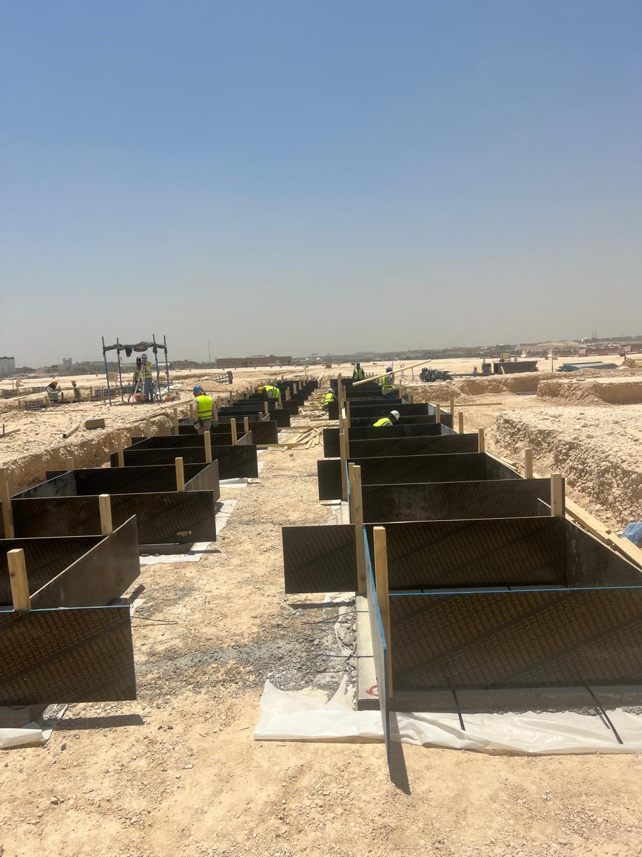
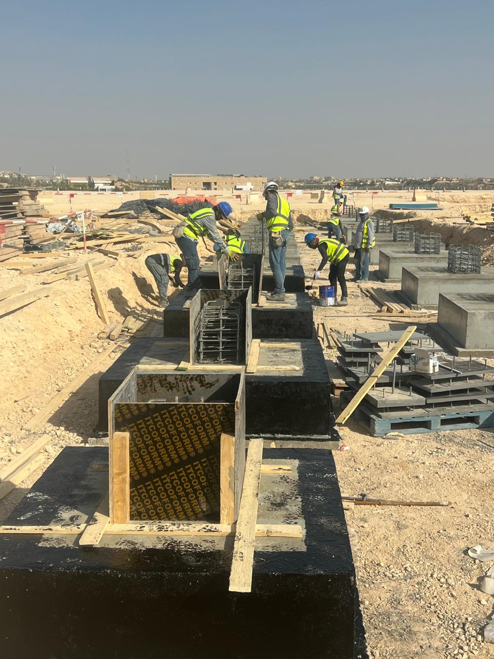

 | B03 |  |  |  |  | B05

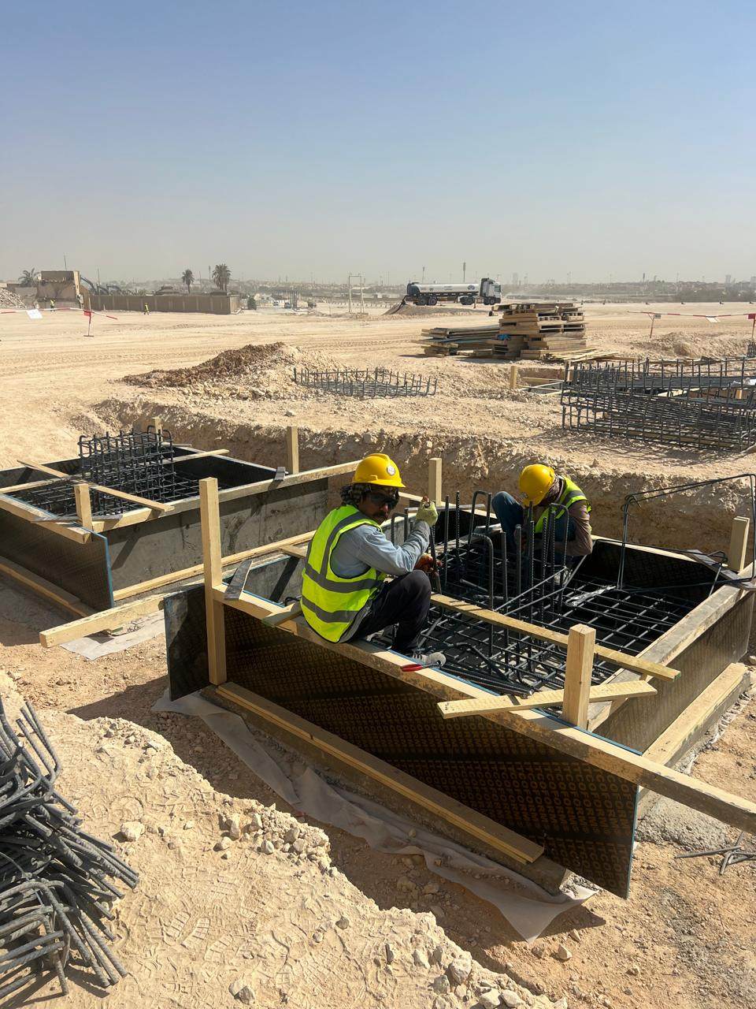
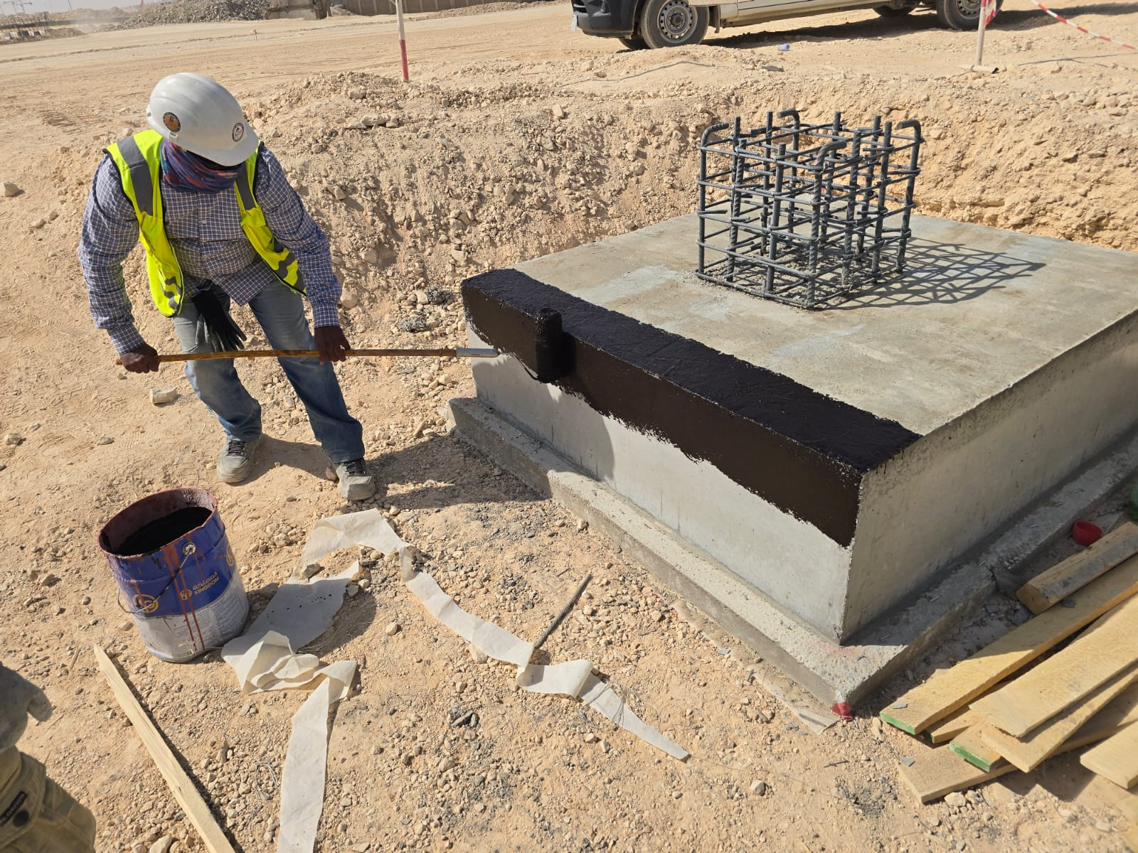

 |  | B03 |  |  |  |  | B03

